1. Title Page
[FINAL REPORT]

Project Name: Instacart Basket Analysis
Date: 14/03/2024
Analyst Name: Solomon Nitesh Devaneyan

Contents:
Population Flow
Consistency checks
Wrangling steps
Column derivations
Visualizations
Recommendations

2. Population Flow
Title page

Population flow

Exclusion flag
Condition: max_order < 5
Obervations to be removed: 32434480- 32404859 = 29630
Final total count of order_products_all: 32404859

Orders_products_combined
Orders_products_merged
Orders_products_all

Total:32434489
Total:32434489
Total: 32404859

1.) The grey boxes in the first row of the population flow represent the original data sets as they were when you downloaded them. In the Total fields you need to add the count of the rows when you imported the data set into Jupyter.
2.) The second row of boxes (coloured) represents the data sets after you manipulated them, e.g., removed missing values and duplicates. In the Total fields you need to add the count of the rows after conducting these operations. This offers a visual oveview of how the data flows throughout the data consistency checks.
3.) The third row, where also the arrows are coloured, represents the merges you performed between the datasets. In the Total fields you need to add the count of the rows in the merged datasets, so that you end up with the final dataset (in the red box). Keep in mind the final dataset should be without exclusions (based on the exclusion flag).

3. Consistency checks
 |  |  |  | Title page
Consistency checks

Dataset | Missing values | Missing values treatment | Duplicates
orders | 206209 values missing in days since previous order column | left as it is because for the first order the value cant be detected | No duplicates found
products | 16 rows | 16 rows dropped | 5 values dropped
orders_products_prior | None | None | None
customers | 11259 values missing in first name column | the name columns were dropped for security reasons | No duplicates found

4. Wrangling steps
 |  |  |  | Title page
Wrangling steps

Columns dropped | Columns renamed | Columns' type changed | Comment/Reason
Orders: eval_set |  |  | It was not required for the project
 | orders_dow to orders_day_of_week |  | The column name was unclear
 |  | Order ID: integer > string | The datatype for an identifier string should be a string
 |  | User ID: integer > string | The datatype for an identifier string should be a string
 | Days since prior order to days since previous order |  | To match with orders_days_of_week
Unnamed columns after merging |  |  | To maintain data integrity and readability
 | Columns with incorrect spelling were renamed |  | The column names were not in the proper format and for better readability
 |  | Date joined: Object -> Datetime64[ns] | Its datatype was changed from a string to date and time format
first name and surname |  |  | Security reasons

5. Column derivations
 |  |  |  | Title page

Column derivations and aggregations

In this tab you should add tables below that the frequences of flags/label variables that you produced after deriving them. NB: don't do this for continuous variables, only for flags.
Dataset | New column | Column/s it was derived from | Conditions
df_ords_prods_merge | price_range_loc | prices | > 5= low range, 5-14 = mid-range, >15 =high range
df_ords_prods_merge | busiest_day | orders_day_of_week | 0=Busiest day, 4=Least Busy, else=Regularly busy
df_ords_prods_merge | busiest_days | orders_day_of_week | Multiple days 0,1- Busiest days, 3,4- Slowest days, else= Regularly busy
df_ords_prods_merge | busiest_period_of_day | order_hour_of_day | Order for each hour arranged into fewest orders, average orders and most orders
ords_prods_merge | max_order | order_number, user_id | order number = max, grouped by user_id and order_number
ords_prods_merge | loyalty_flag | max_order | >40=loyal, 10-40=regular, <10= new customer
ords_prods_merge | spender_type | prices | >= 10= High spender, <10= Low spender
ords_prods_merge | order_frequency | days_since_previous_order | > 20-Non-Frequent, 11-20- Regular, <=10-Frequent

6. Visualizations
 |  | Title page

Visualisations

In this tab you should include all the visualtions from Exercises 4.9 and 4.10, alongside the questions from the project brief that they answer. Include any commentary on the relationship between different variables.

The sales team needs to know what the busiest days of the week and hours of the day are (i.e., the days and times with the most orders) in order to schedule ads at times when there are fewer orders.

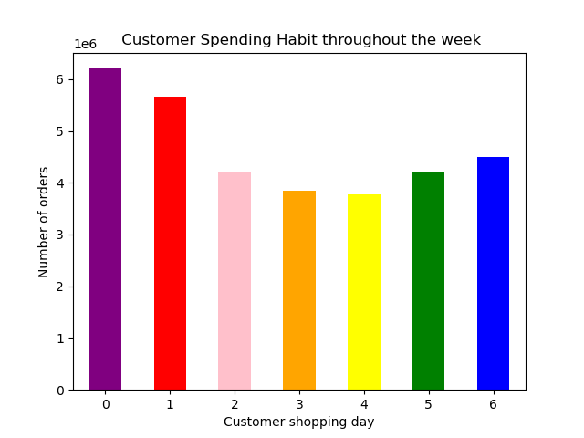
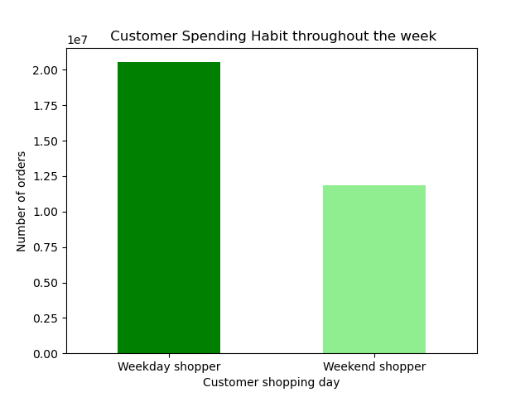
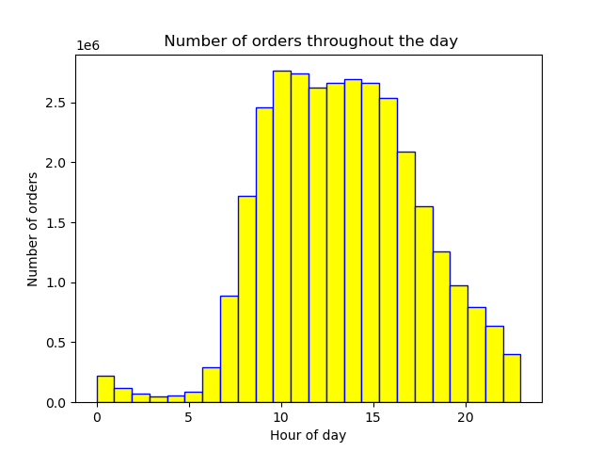

FROM PROJECT BRIEF
0- Saturday
1- Sunday
2- Monday
3- Tuesday
4- Wednesday
4- Thursday
5- Friday
The busiest days are saturday and sunday. Tuesday and wednesday are the least busy

Most of the orders are made from 10 AM to 3 PM

They also want to know whether there are particular times of the day when people spend the most money, as this might inform the type of products they advertise at these times.

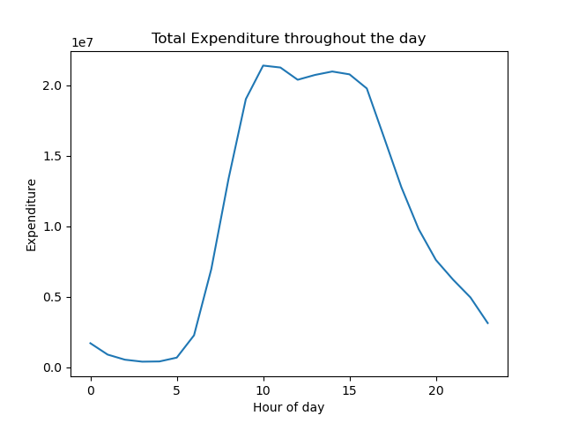

Customer shopping behavior based on the time of day and average expenditure
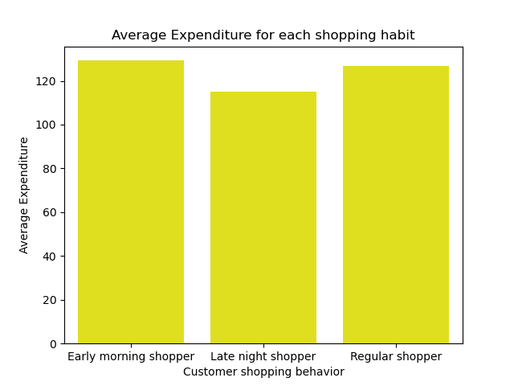
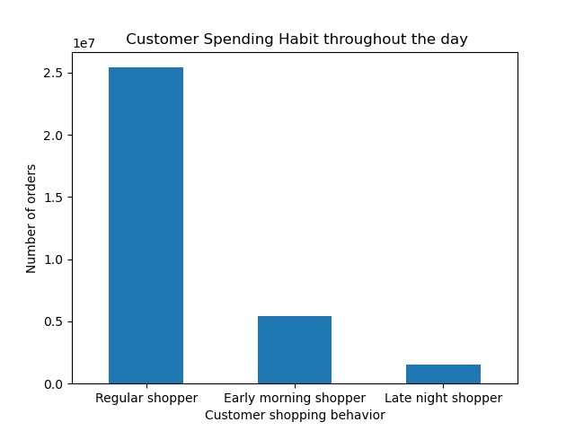
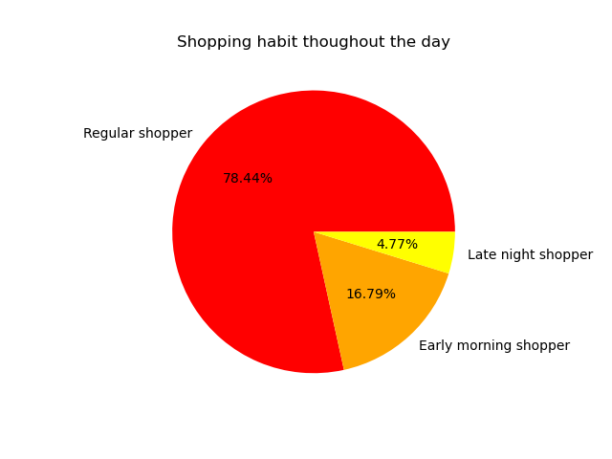

Almost 80 % of the order takes place from 10 AM to 9 PM which is understandable since the remaining hours are when majority of the people are sleeping

Are there certain types of products that are more popular than others? The marketing and sales teams want to know which departments have the highest frequency of product orders.

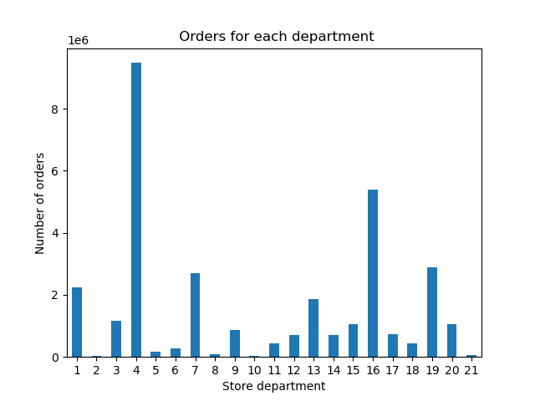
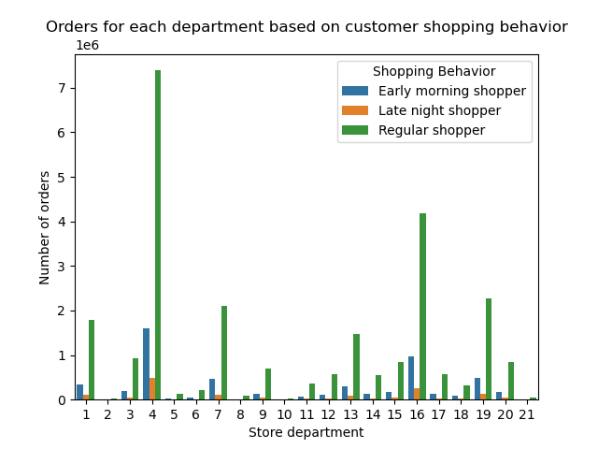

Produce- 4 and Dairy- 16 have the highest number of sales

What’s the distribution among users in regards to their brand loyalty (i.e., how often do they return to Instacart)?

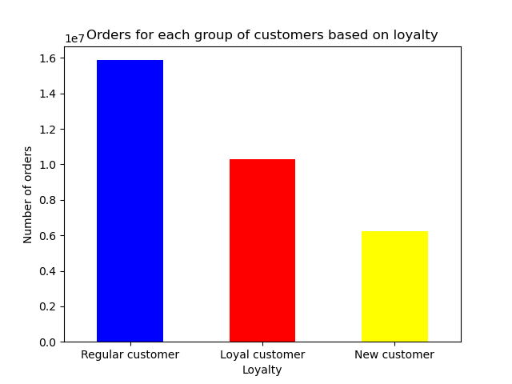
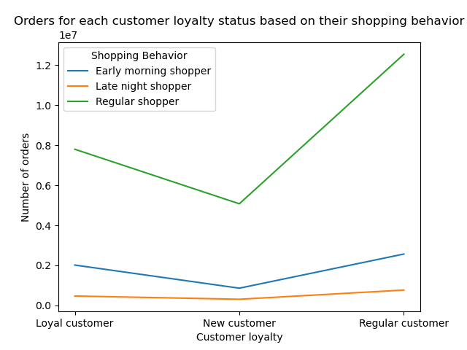
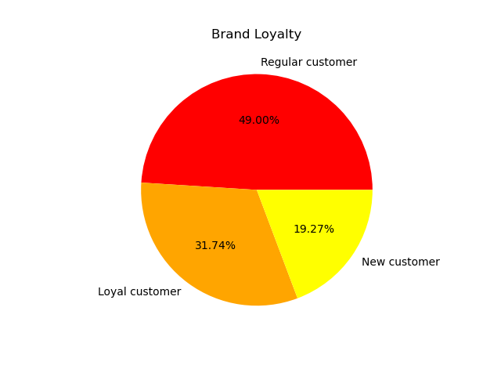

Loyal customer > 40 orders
Regular customer 10-40 orders
New customer <10 orders

Are there differences in ordering habits based on a customers region?
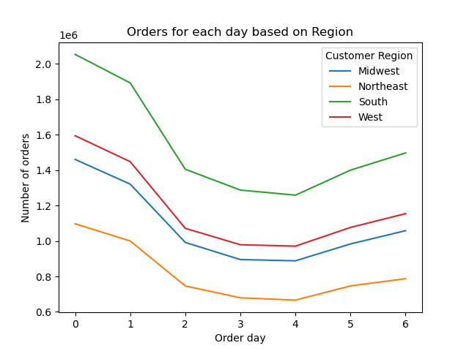
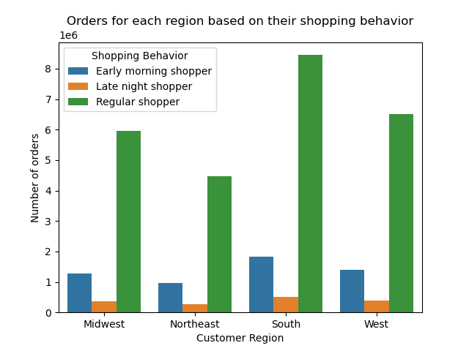

People living in the southern states make the highest amount of orders so promotional campaigns should be held for the states from other regions to maximize sales

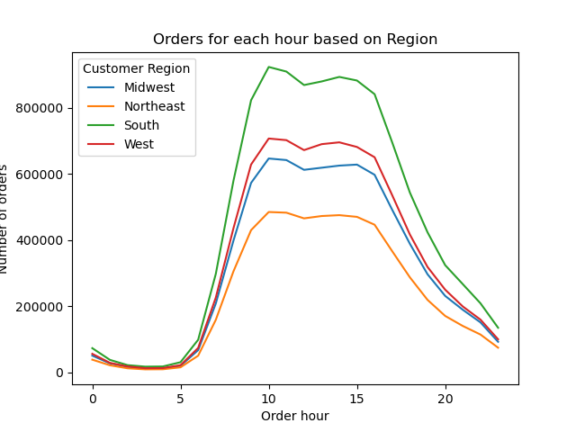

 | Are there differences in ordering habits based on a customers family status?

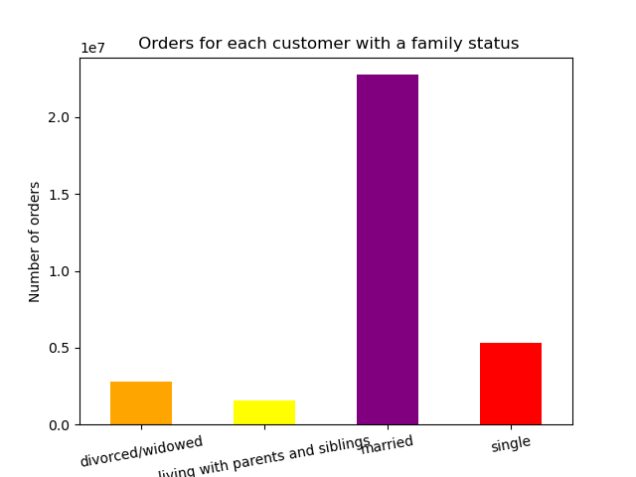
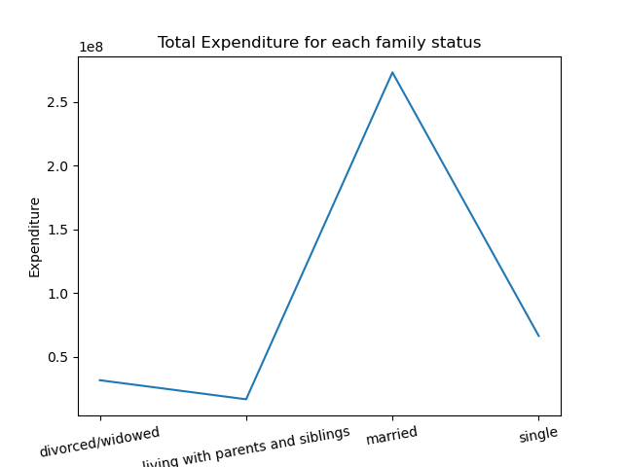
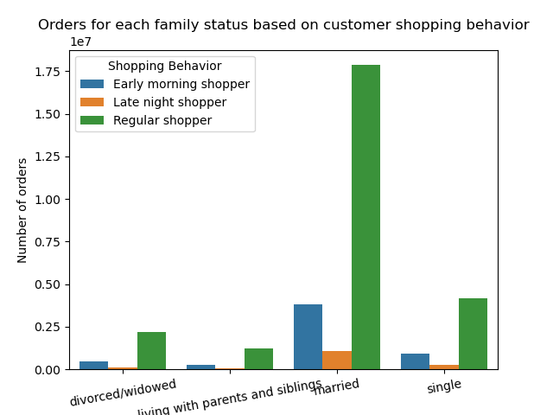

Married customers contribute to most of the revenue for Instacart online grocery store

 | Income and orders for customers of different ages


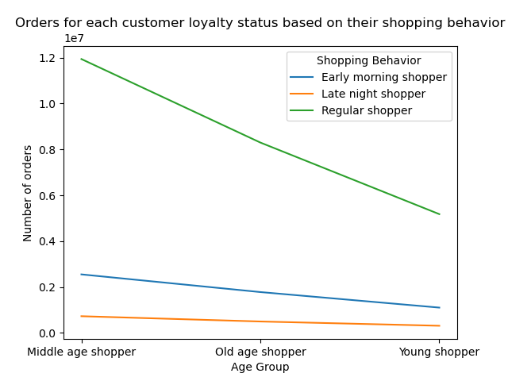

People aged over 40 years earn more when compared to those who are below 40 years

7. Recommendations
 |  |  |  | Title page

Recommendations

In this tab you should include any recommendations you would made to Instcart in terms of their marketing strategy based on the questions posed in the brief. Every key question has been covered in the Tasks of the Exercises - here you need to add an item - a visualisation or table/crosstable that is showing the answer in the data, acompanied by a comment from you. Please, list the questions below and add the answer underneath.

Question |  |  | Answer
Key Question 1 | Busiest days of the week and hours of the day | The Busiest days are Saturday and Sunday during the weekend and the busiest hours are 10AM to 3PM. Coupons should be given during weekdays for to achieve higher sales
Key Question 2 | Total expenditure thoughout a day | The store makes the most money during 10AM to 3 PM which is not surprising since its the busiest hour.
Key Question 3 | Most popular department | The most popular department where customers make the most orders is 4 - Produce followed by 16 - Dairy eggs. In recommended section on the online store other department products should be promoted
Key Question 4 | Shopping hbit of customers | Most of the customers order from 10 AM- 9 PM whereas there are less orders during late nights and early morning
Key Question 5 | Region with the most orders and shopping habits | The states from the southern region have the highest number of orders but there arent any noticeable trends with shopping habits. Better promotions an offers should be given for customers living in other regions
Key Question 6 | Brand loyalty | Regular customers are more in number when compared to loyal customers. Further benefits should be given to regular customers and new customers to make them loyal customers in the long run
Key Question 7 | Income with respect to age | People above 40 years have higher income when compared to those below 40 years
Key Question 8 | Family Status orders and expenditure | Married customers make the most amount of orders and contribute the most money to instacart. Social media promotions will help garner more attention among younger people and

